Tabelle1
Noraxon MyoMotion-Joints-Knee RT-Flexion |  | 118
Noraxon MyoMotion-Joints-Hip RT-Flexion |  | 113
Noraxon MyoMotion-Joints-Hip LT-Flexion |  | 103

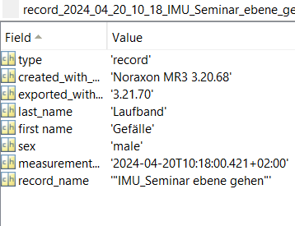

"record_" + | (measurement) + (record name)

spaces = undersscores
measurement only checks for first 12 numbers

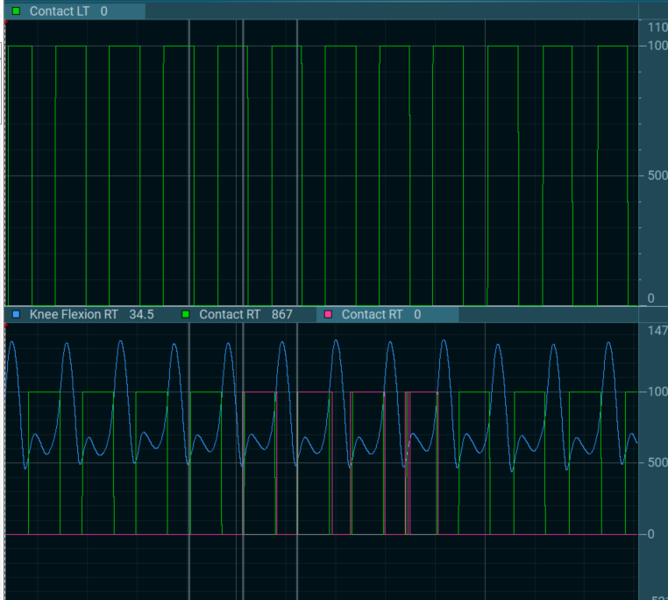

contact times might differ from source to source

